Instructions
Provincial Wage Enhancement Application Instructions - Child Care Centre & Home Visitors (2017)

The purpose of these instructions is to support operators in completing their wage enhancement application.
The application will generate the 2017 funding entitlement. If you have any questions related
to your application please contact [insert CMSM/DSSAB contact information].
Where non-text content has been presented in this document, the user is provided with a text alternative.
Wage enhancement applications must be submitted no later than March 31, 2017,
2017 in order to be considered for wage enhancement funds.
Any forms posted online must make reference to the wage enhancement/HCCEG being funded by the Government of Ontario.

You are only required to enter data in the green cells. All other calculations will be performed automatically.

The application form contains 100 rows to allow you to enter data for all eligible positions. At step 8, you will be
provided with instructions on how to only show the rows where data has been entered for printing purposes.

Please note that definitions/explanations have been included for certain fields to help you complete this form. You can
activate these definitions/explanations by clicking on the cell. You can also move these cells to a different location
on the application form if its placement makes it difficult for you to see other information on the application form.

STEP 1: DETERMINE ELIGIBILITY
In order to successfully complete your wage enhancement application you must determine which of the positions as of December 31, 2016
in your licensed child care centre / agency are eligible for the enhancement to generate your 2017 funding entitlement.

Full Wage Enhancement
To be eligible to receive the full 2017 wage enhancement of $2 an hour plus 17.5 per cent in benefits, staff must:
· Be employed in a licensed child care centre or agency;
· Have an associated base wage excluding prior year’s wage enhancement of less than $24.68 per hour
(i.e. $2 below the wage cap of $26.68); and
· Be in a position categorized as a child care supervisor, RECE, home child care visitor, or otherwise counted toward adult to child
ratios under the Child Care Early Years Act (CCEYA).
Child care program positions that are in place to maintain lower adult-child ratios than required under the CCEYA,
and meet the eligibility outlined above, are also eligible for wage enhancement.

Partial Wage Enhancement
Where an eligible centre-based or home visitor position has an associated base wage rate excluding prior year’s wage enhancement
between $24.69 and $26.68 per hour, the position is eligible for a partial wage enhancement. The partial wage enhancement will increase
the wage of the qualifying position to $26.68 per hour without exceeding the cap.
· For example, if an RECE position has a base wage rate, excluding the previous year’s wage enhancement, of $25.50 per hour, the
position would be eligible for wage enhancement of $1.18 per hour.

Now that you have determined which of the positions in your licensed child care centre / agency qualified for the wage
enhancement in 2016 you can begin completing the form.

STEP 2: ENTER CENTRE / AGENCY INFORMATION
Open the wage enhancement application form in excel and complete the centre / agency information shown below as
well as the contact person who is able to answer questions about the application form being submitted.

EXAMPLE

STEP 3: CHILD CARE CENTRE / AGENCY OPERATING INFORMATION
Please provide the number of weeks your centre was open during 2016. Next, proceed to entering the standard work
week for centre staff in 2016, total operating capacity and total licensed capacity. For Home Child Care
Agencies, the operating capacity and licensed capacity fields should remain blank.

STEP 4: CHILD CARE CENTRE / AGENCY OPERATING INFORMATION
Please indicate the number of ineligible RECEs, Non-RECEs, Supervisors, and home visitors, i.e. hourly rate exceeds cap.

STEP 5: EMPLOYEE INFORMATION
Enter the following information for the eligible positions in the licensed child care centre or eligible home child care
visitors working in a licensed agency:

EXAMPLE

Position Description
This field should contain sufficient information to allow you to provide additional information to the CMSM/DSSAB
should it be requested
New Position Created during Jan 1 - Dec 31 (select Yes or No)
If a new position has been created due to the expansion of a program during the year, then please provide an estimate
for the equivalent # of hours that the position would work during the Jan 1 - Dec 31 period.
Enter the estimated hours in the # of Hours Worked column (column J).
Category
From the drop-down listing, please select from the eligible positions categories of RECE, Non-RECE, Supervisor, or Home Visitor.
Hourly Wage
Hourly wage paid to the position as of December 31, 2016 (excluding prior year wage enhancement amounts).
If the position is on an annual salary, take the annual salary and divide it by the standard hours of work per year.
# of Hours Worked
This field should include the total number of hours worked in the eligible position between January 1, 2016 and December 31, 2016.
Overtime hours can be included in the application form.
Please note that the operator has two options in terms of reporting the hours worked in an eligible position by both regular and
supply staff in the application form to generate their 2017 funding entitlement.
1. If all hours worked by a supply staff are to replace the regular staff’s hours (sick days, vacations days, etc.), the operator can
report all hours worked by the regular staff including their sick days and vacation days on one line on the application and exclude
the hours worked by the supply staff. This option is suggested to reduce some administrative burden on having to keep
track of the hours worked by all individuals in the same eligible position separately.
2. If operators decided to report the hours worked by a supply staff on a separate line, then the hours worked by the regular staff
during 2016 should include actual hours worked only (i.e. exclude sick days, vacation days, other leaves, etc.).
The 2017 entitlement is then used to make payments to the eligible staff for hours worked in 2017.
% of Time in Eligible Position
If the position covers ratio at all times, please enter 100%. If a position covers ratio for 30% of the time, please report 30%.
Please note that the position must work at least 25% of the day in a position that can be counted toward adult to
child ratio.
Supervisors are required under the CCEYA, and are therefore eligible to receive the wage enhancement for 100% of the time they are working
in a licensed child care program, regardless of the amount of time they are working directly with children, provided they earn less than the cap

The following table is an illustration of 5 positions at Child Care Centre ABC and of particular interest position # 3
that works 50% of the time in an eligible position.

EXAMPLE

Once you’ve entered the information above the application template will generate the following information:
• Eligibility status = partial or full, depending on the wage enhancement eligiblity rate ($) per hour
• Eligibility rate = up to $2.00
• Annual Funded FTE = could be higher than 1.0 if the total hours worked from Jan 1st to December 31, 2016 exceeds 1,754.50 hours
• Salary component of the enhancement = up to $2.00 per hour for hours worked, including overtime
• Satutory benefit component of the enhancement = 17.5% of the salary component
• Total compensation = maximum wage enhancement entitlement which is the sum of the salary and benefit component
The following table is an illustration of the wage enhancement funding for the 5 positions applicable to Child Care Centre
Centre ABC. The calculation in the form now automatically gives you the maximum benefit entitlement of 17.5%.
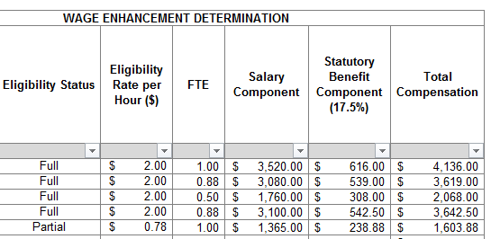

EXAMPLE

STEP 6: REVIEW OF APPLICATION FORM

Prior to leaving the middle section of the application form, please review the "Summary" section. It contains
a summary of the centre’s / agency's eligible positions and the total funding you are applying for in regards to salaries
and benefits pending approval. This section will also generate the operators' supplemental grant of $150 for each
eligible centre based FTE and home visitor FTE.

EXAMPLE

STEP 6: CERTIFICATION
Please complete the certification section stating that the information you have included in the application is accurate by
selecting "Yes" in the box and completing your signing authority's information.

STEP 7: PAGE LAYOUT & PRINTING
Prior to printing or submitting your application form, please go to cell A41 and left click on the symbol to the right of the
"Filter" button. This gives you the ability to only show the rows that contain information.

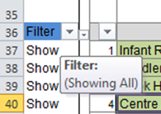

Please ensure that only the "Show" option contains a check mark. You can remove the other checkmark, by left clicking
on the box beside "hide".

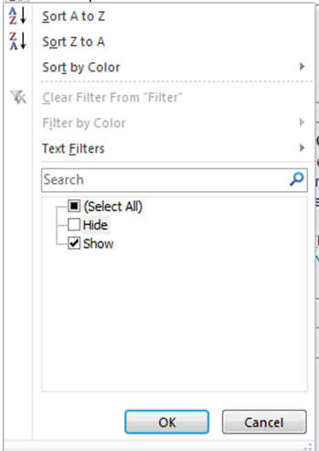

STEP 8: SUBMISSION
Submit the completed application to [insert CMSM/DSSAB information].

The information that you have provided is subject to review by the CMSM/DSSAB prior to/or after granting the wage
enhancement funding to the centre / agency.

